Sheet1
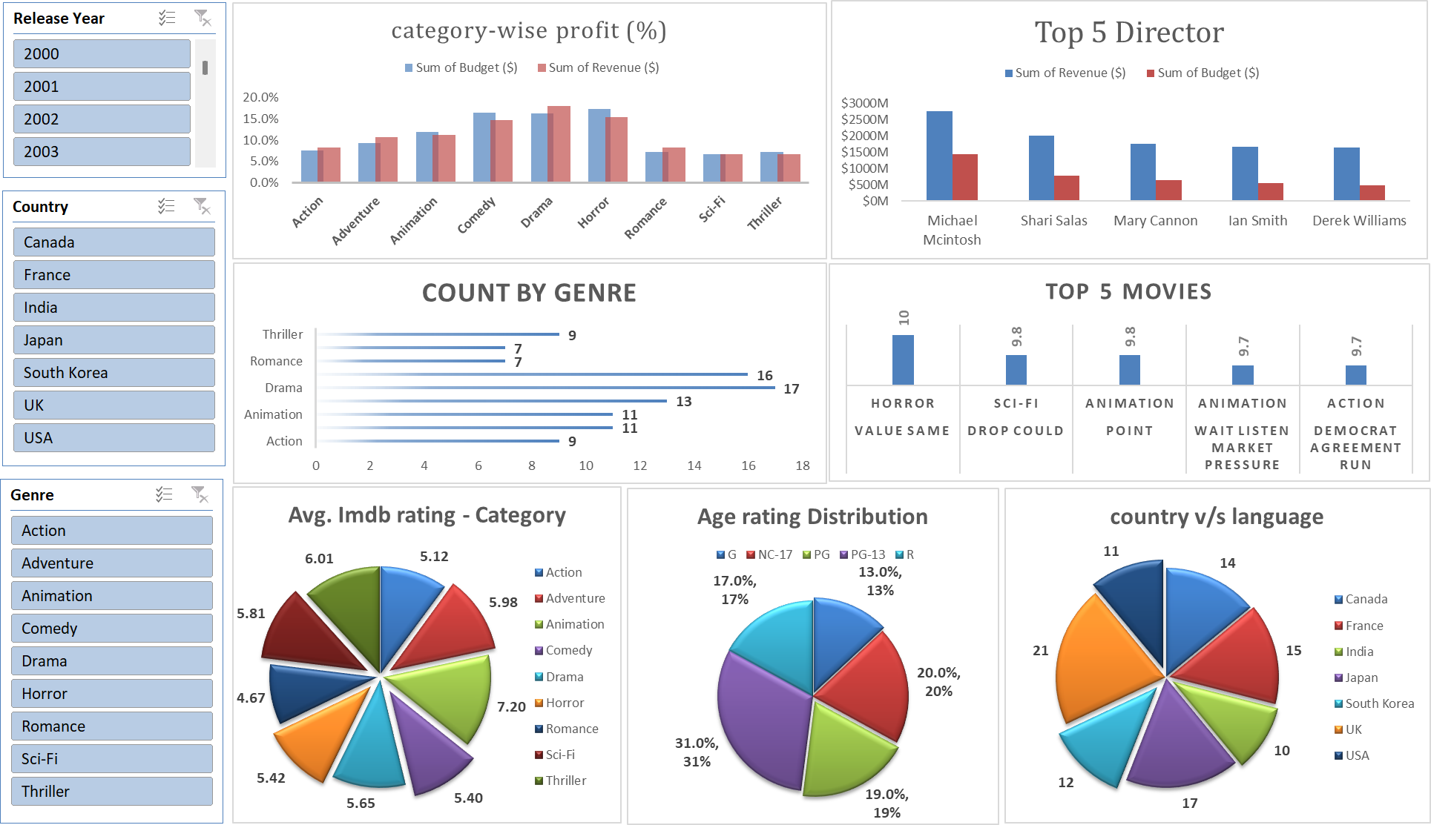
LIGHTS, CAMERA, DATA

